cantidad total de interacciones
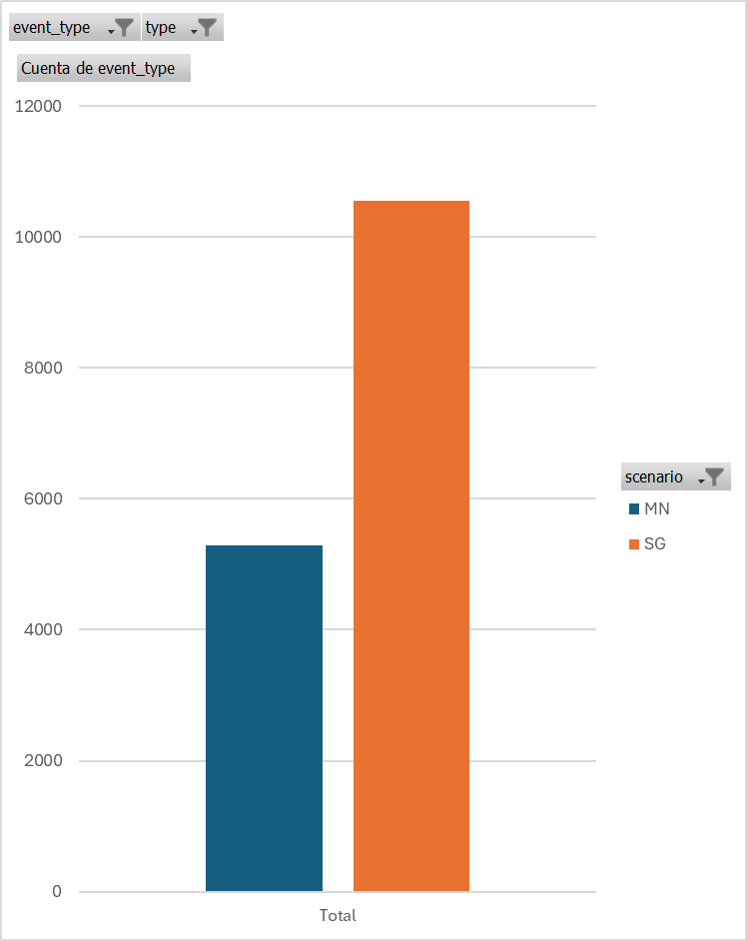
 | Etiquetas de columna
 | MN | SG | Total general
Cuenta de event_type | 5293 | 10545 | 15838

Hoja6
Cuenta de id | Etiquetas de columna
Etiquetas de fila | Guantes hápticos | Mandos | Total general
grab | 5288 | 2856 | 8144
Cube | 1662 | 1565 | 3227
EPD | 739 | 339 | 1078
SABG100 | 1028 | 322 | 1350
TrafficCone | 1859 | 630 | 2489
release | 5264 | 2673 | 7937
Cube | 1658 | 1454 | 3112
EPD | 735 | 330 | 1065
SABG100 | 1022 | 316 | 1338
TrafficCone | 1849 | 573 | 2422
Total general | 10552 | 5529 | 16081

